Innovation, Creative Ind.
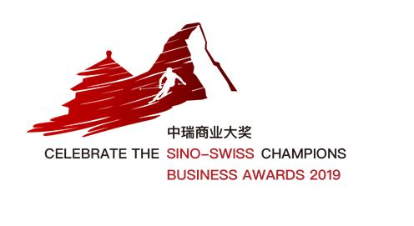
<<AWARD 2>> BUSINESS AWARD FOR INNOVATION AND CREATIVE INDUSTRIES 4.0
Your contact information Please fill in the yellow fields by answering the details on the left side.
Contact Person
Company Name:
Position:
Sector:
Company Website:
Email Address:
Phone Number:
Please write a short text introducing your company, organization or individual to apply for the chosen award. |  |  | Please include a description of your operation in China or Switzerland. This may include: - Vision and identity - Evolution of your key performance (sales, profit) - Future development plans in China or in Switzerland - Number of employees in China or in Switzerland - R&D investments, new products, service, process introduction (innovation) - Any other information you consider relevant for the jury to take into consideration.
Manual Please fill in the yellow fields by describing your company/ product/ service and referring to the criteria indicated on the left side. Once filled out correctly, the field will appear in green. If available, please provide us with a proof for your answer (e.g. annual company report etc.)
Criteria |  |  |  | Company/ Project description

 |  |  |  | Your answer | Proof if available*
1 | Innovation |  |  | (max. 200 words in Engl.)
 | 1.1 | Originality/ Innovativeness/ Uniqueness
 | 1.2 | Problem solving

2 | Market potential |  |  | (max. 200 words in Engl.)
 | 2.1 | Competitive strategy, marketing and sales strategy
 | 2.2 | Growth potential in key markets and longterm perspectives

3 | Impact |  |  | (max. 200 words in Engl.)
 | 3.1 | Creating jobs
 | 3.2 | Social responsibility

* Proof if available: Please do only add text in this form, any other (pictures, pdf..) type of content please add as attachement and send it by email to daniela.reinau@bei.swisscham.org. Please inform to which criteria the attachement refers.

